India Data
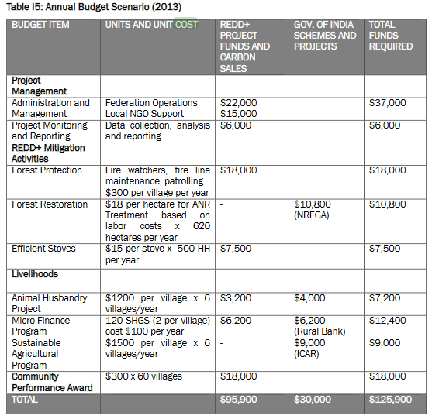
Table I5: Annual Budget Scenario (2013)
Budget Item | UNITS AND UNIT COST | TOTAL FUNDS REQUIRED
REDD+ Mitigation Activities
Forest Protection | Fire watchers, fire line maintenance, patrolling $300 per village per year | $18,000
Forest Restoration | $18 per hectare for ANR Treatment based on labor costs x 620 hectares per year | $10,800
Efficient Stoves | $15 per stove x 500 HH per year | $7,500
 | Sub-total | $36,300
 | Share of Labour | 0.79

 |  |  | ANR = Assisted Natural Restoration
 |  |  | Source: http://www.planvivo.org/docs/Khasi-Hills-PDD-Updated-2017.pdf
 |  |  | Table I5, Page 38

